About


GBSC Start Year Grid Battery Storage Capacity
GBSC Grid Battery Daily Storage Duration

Sources | Start year capacity | LCP Delta
 | Battery discharge duration | Warp News

Notes :
The start year is 2021 since the first modelled year is 2022
BGSC Grid Battery Daily Storage Duration (GBDSD)
The value must be an integer, not a fractional number of hours (i.e. 3 or 4 is okay, but 3.5 is not).
In the EU model (as for the US model), the grid batteries storage duration is assumed to be 3 hours (i.e. they charge in the cheapest
three hours per day and discharge in the most expensive three hours per day).

Unit Conversion
1000 | gigawatts to megawatts

Raw data
Additionnal capapcity installed per year |  |  |  |  |  |  | Sources: | LCP Delta
Unit: MW | 2018 | 2019 | 2020 | 2021 | 2022 | 2023 | https://www.energy-storage.news/europe-deployed-1-9gw-of-battery-storage-in-2022-3-7gw-expected-in-2023-lcp-delta/#:~:text=Some%201.9GW%20of%20grid,%2C%20a%20record%2Dbreaking%20year.
Europe | 700 | 500 | 550 | 1050 | 1900 | 3700
GB | 442 | 258 | 214 | 385 | 833 | 1521
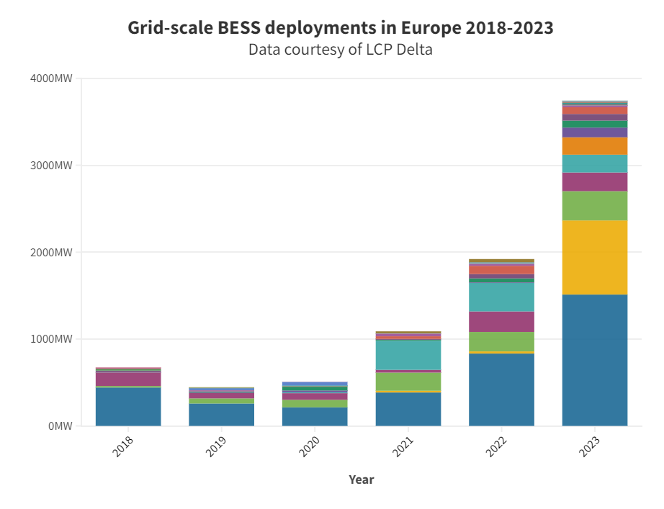
UE | 258 | 242 | 336 | 665 | 1067 | 2179

Total capacity
Unit: MW | 2018 | 2019 | 2020 | 2021 | 2022 | 2023
Europe | 700 | 1200 | 1750 | 2800 | 4700 | 8400
GB | 442 | 700 | 914 | 1299 | 2132 | 3653
UE | 258 | 500 | 836 | 1501 | 2568 | 4747
 |  |  |  | Strat year

